Q2. Tailored aggregation
I consider using two of these methods : Complete aggregation & Tailor Aggregation

Option 3: Tailored aggregation

Step 0) |  |  | small | medium | large
 | Annual demand D |  | 1000 | 5000 | 12000
 | # of deliveries |  | 12 | 6 | 2
Input the demand for small & medium & large | Annual demand D |  | 12000 | 30000 | 24000 | i (optional) | 0.25
 | Unit Price c |  | 1 | 1 | 1
 | Holding cost per unit h |  | 0.25 | 0.25 | 0.25
 | Common Ordering cost K |  |  | 350
 | Individual Ordering cost |  | 200 | 200 | 50
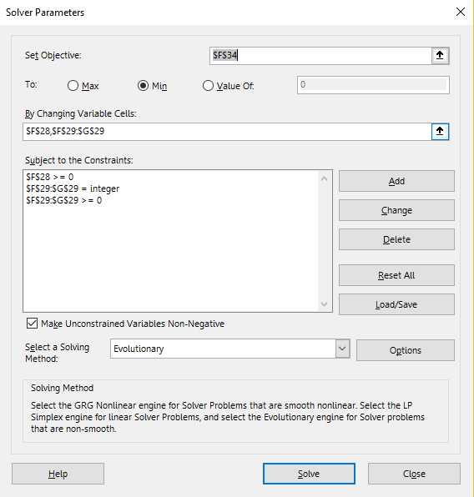
 | Ordering cost (k) |  |  | 550

Step 1) | icⱼDⱼ/(2(S+sⱼ)) |  | 2.7272727273 | 6.8181818182 | 7.5
for each product j, calculatei cⱼDⱼ/(2(S+sⱼ))
and choose the item that yields the |  | so, product 1 = | C
largest value to be item 1

Step 2) | Qⱼ |  | 2717.4651472 | 6793.662868 | 5434.9302944
. Find the optimal n₁ and mⱼ | n₁ |  | 4.4158800021
. Which give the lowest AIC | mⱼ |  | 2 | 1 | 1

Note: mⱼ >= 0, n₁ = integer

Result: | AIC |  | 1120.954287 | 849.2078585 | 900.16028691
AIC & ATC | Total AIC + Total Common ordering cost |  | 4415.8804332
 | ATC |  | 13120.954287 | 30849.207859 | 24900.160287
 | Total ATC |  | 68870.322432

